Solution
Path | Node | Probability | Sum of Probability | Node
1 | 1 | 0.3 | Path | 1 | 2 | 3 | 4 | 5 | 6 | 7 | 8 | 9 | Probability | Payoff | Expected Value
1 | 4 | 0.4 | 1 | 0.3 |  |  | 0.4 |  |  |  |  |  | 0.12 | -2500 | -300
2 | 1 | 0.3 | 2 | 0.3 |  |  |  | 0.6 |  |  |  |  | 0.18 | -500 | -90
2 | 5 | 0.6 | 3 |  | 0.2 |  |  |  |  |  |  |  | 0.2 | 2500 | 500
3 | 2 | 0.2 | 4 |  |  | 0.5 |  |  | 0.3 |  | 0.2 |  | 0.03 | 1000 | 30
4 | 3 | 0.5 | 5 |  |  | 0.5 |  |  | 0.3 |  |  | 0.8 | 0.12 | 3000 | 360
4 | 6 | 0.3 | 6 |  |  | 0.5 |  |  |  | 0.7 |  |  | 0.35 | -1500 | -525
4 | 8 | 0.2 |  |  |  |  |  |  |  |  |  |  |  |  | -25
5 | 3 | 0.5
5 | 6 | 0.3
5 | 9 | 0.8
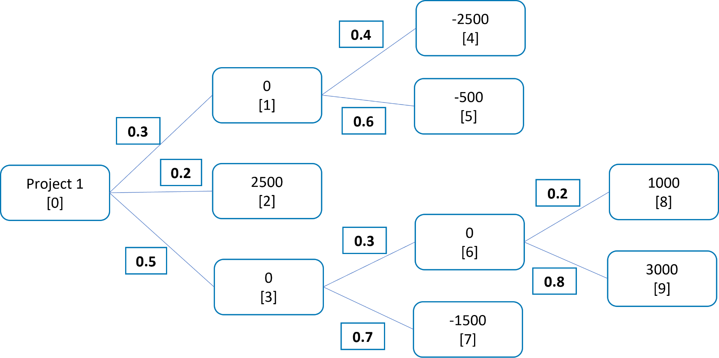
6 | 3 | 0.5
6 | 7 | 0.7

Path | Payoff
1 | -2500
2 | -500
3 | 2500
4 | 1000
5 | 3000
6 | -1500

